Step2
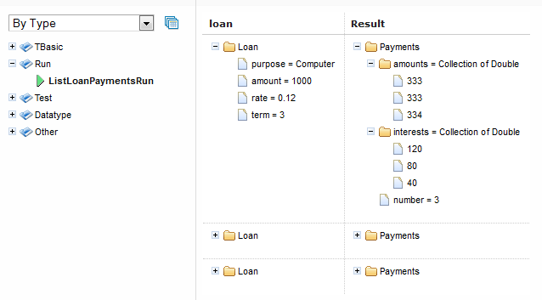
*TBasic Table Operations

 | Step2. TBasic Table Operations

 | There is a List of most popular operations with short descriptions: VAR - defines variable; SET - performs action; IF - conditional operator, executes action if condition is true; ELSE - alternative branch of IF operator, has the same level as IF operator; WHILE - loops while condition is true; SUB - executable set of operators, may switch control away from calling line; FUNCTION - executable set of operators which returns calculated value, can't switch control away from calling line; GOTO - switches control to the step marked by specified label; RETURN - stops the execution of the component logic and return the value or just returns.

 | Step2-1. Example - "Factorial" Rule

 | We'll demonstrate the work of TBasic operators on the Rule Factorial which calculates factorial of specified number (input parameter). Remind the mathematical formula of factorial N is N! = 1 * 2 *… * (N-1) * N:

 | TBasic Integer Factorial (Integer n)
 | Label | Description | Operation | Condition | Action
 | Name | Description | Operation | Condition | Action
 |  | declare result value | VAR | factorial | 1
 |  | multiplier (1 .. n) | VAR | i | 1
 |  |  | IF | n<0
 |  |  | SET |  | factorial=0
 |  |  | ELSE
 |  |  | WHILE | i<=n
 |  | factorial(n)=!n = 1 * 2 * 3 … * (n-1) * n | SET |  | Calculation
 |  |  | RETURN | factorial
 | Calculation | Subroutine to calculate value of next factorial | SUB
 |  |  | SET |  | factorial*=i
 |  | Increment multiplier | SET |  | i++

 | Do not forget to run FactorialTest Tests for Factorial Tbasic Table to check results:

 | Test Factorial FactorialTest
 | n | _res_
 | n | Expected result
 | 0 | 1
 | 1 | 1
 | 2 | 2
 | 3 | 6
 | 4 | 24
 | 5 | 120

 | Execution Flow of TBasic Table: Each step of the algorithm is executed sequentially. FUNCTION and SUB operations and blocks indented in them are ignored in execution of main algorithm. They are executed whenever they are called from main algorithm. When execution of callable statement is finished, execution flow control gets back to the step. However, if the callable statement is SUB in the algorithm, it can transfer execution flow control to some other step of the algorithm (using GOTO operation) and won't return control back to the called step.

 | Step2-2. Example - "TotalLoanPayment" Rule

 | Tables below present the more sophisticated example of working and usage of TBasic Algorithm Tables. Rule TotalLoanPayment below calls another rule ListLoanPayments to calculate and construct payment schedule for a specified loan, then summarizes all payments (amounts and interests) which are going to be paid during loan period. As a result the rule returns calculated sum of total payment for the loan:

 |  | TBasic Double TotalLoanPayment (Loan loan)
 |  | Description | Operation | Condition | Action
 |  | Description | Operation | Condition | Action
 |  |  | VAR | payments | new Payments()
 |  |  | SET |  | payments = ListLoanPayments(loan)
 |  | declare result value | VAR | total | 0.0
 |  |  | VAR | i | 1
 |  | calculate sum of all payments | WHILE | i <= payments.number
 |  |  | SET |  | total += payments.amounts[i-1]+payments.interests[i-1]
 |  |  | SET |  | i++
 |  |  | RETURN | total

 | TBasic Payments ListLoanPayments (Loan loan)
 | Label | Description | Operation | Condition | Action
 | Name | Description | Operation | Condition | Action
 |  | declare result object | VAR | payments | new Payments()
 |  |  | SET |  | payments.number = loan.term
 |  |  | VAR | each_amount | (Double)round(loan.amount / loan.term)
 |  |  | VAR | left_amount | loan.amount
 |  |  | VAR | i | 1
 |  |  | VAR | interest_amount | (Double)0.0
 |  | calculate each payment | WHILE | i <= loan.term
 |  |  | SET |  | payments.amounts =(Double[])add(payments.amounts, Installment)
 |  | interest amount is calculated on the loan amount left | SET |  | interest_amount = round(left_amount * loan.rate)
 |  |  | SET |  | payments.interests =(Double[])add(payments.interests, interest_amount)
 |  |  | SET |  | left_amount = left_amount - each_amount
 |  |  | SET |  | i++
 |  |  | RETURN | payments
 | Installment | amount is paid by equal parts except the last amount which is equal to the rest sum | FUNCTION
 |  |  | IF | i == loan.term
 |  |  | RETURN | left_amount
 |  |  | ELSE
 |  |  | RETURN | each_amount

 | where

 | Datatype Loan
 | String | purpose
 | Double | amount
 | Double | rate
 | Integer | term

 | Datatype Payments
 | Double[] | amounts
 | Double[] | interests
 | Integer | number

 | Let's test our rule TotalLoanPayment by running tests TotalLoanPaymentTest:

 | Test TotalLoanPayment TotalLoanPaymentTest
 | loan.purpose | loan.amount | loan.rate | loan.term | _res_
 | Purpose | Amount | Rate | Term | Expected
 | Car | 25,000 | 0.04 | 5 | 28,000
 | Home | 140,000 | 0.03 | 20 | 184,100

 | Step2-3. Using Run Tables

 | A Run Table calls a particular rule table multiple times and provides input values for each individual call. Therefore, run tables are similar to test tables, except they do not perform a check of values returned by the called method. The structure of Run Tables is the same as Test Tables without "_res_" result columns.

 | Let's execute (click on button "Run") Run Table ListPaymentsRun in WebStudio and look at results (the screenshot of results is below), You can check that they are correct =) :

 | Run ListLoanPayments ListLoanPaymentsRun
 | loan.purpose | loan.amount | loan.rate | loan.term
 | Purpose | Amount | Rate | Term
 | Computer | 1,000 | 0.12 | 3
 | Car | 25,000 | 0.04 | 5
 | Home | 140,000 | 0.03 | 20

